Sheet1
 |  |  |  |  |  |  |  |  |  |  |  |  |  |  |  |  |  |  |  |  |  | HORIZONTAL STUCK
 |  |  |  |  |  |  |  |  |  |  |  |  |  |  |  |  |  |  |  |  |  | two fixed block
0 | 1 | 2 | 3 | 4 | 5 | 6 | 7 | 8 | 9 |  |  |  |  |  |  |  |  |  |  |  |  |  | condition 1 & 2: contain fixed at left & right
10 | 11 | 12 | 13 | 14 | 15 | 16 | 17 | 18 | 19 |  |  |  |  |  |  | -18 |  |  |  |  |  |  | &&
20 | 21 | 22 | 23 | 24 | 25 | 26 | 27 | 28 | 29 |  |  |  |  |  |  | -8 |  |  |  |  |  |  | condition 3: next contain fixed (cz some blocks can be stuck and still can rotate)
30 | 31 | 32 | 33 | 34 | 35 | 36 | 37 | 38 | 39 |  |  |  |  |  |  | 2 |  |  |  |  |  |  | eg.
40 | 41 | 42 | 43 | 44 | 45 | 46 | 47 | 48 | 49 |  |  |  |  |  |  | 12
50 | 51 | 52 | 53 | 54 | 55 | 56 | 57 | 58 | 59
60 | 61 | 62 | 63 | 64 | 65 | 66 | 67 | 68 | 69 |  |  |  |  |  |  |  |  |  |  |  |  |  |  |  |  |  |  |  |  |  |  |  |  |  |  |  |  |  |  |  |  |  |  |  |  |  |  |  |  |  |  |  |  |  |  |  | 0 | 1 | 2 | 3 | 4 |  | 2
70 | 71 | 72 | 73 | 74 | 75 | 76 | 77 | 78 | 79 |  |  |  |  |  |  |  |  |  |  |  |  |  |  |  |  |  |  |  |  |  |  |  |  |  |  |  |  |  |  |  |  |  |  |  |  |  |  |  |  |  |  |  |  |  |  |  | 5 | 6 | 7 | 8 | 9 |  | 7
80 | 81 | 82 | 83 | 84 | 85 | 86 | 87 | 88 | 89 |  |  |  |  | -9 |  |  | -9 |  |  | -9 |  |  |  |  |  |  |  |  |  |  |  |  |  |  |  |  |  |  |  |  |  |  |  |  |  |  |  |  |  |  |  |  |  |  |  |  | 10 | 11 | 12 | 13 | 14 |  | 12
90 | 91 | 92 | 93 | 94 | 95 | 96 | 97 | 98 | 99 | 0 | 1 | 2 | 0 | 1 |  | 0 | 1 | 2 |  | 1 | 2 | edge & block left |  |  |  |  |  |  |  |  |  |  |  |  |  |  |  |  |  |  |  |  |  |  |  |  |  |  |  |  |  |  |  |  |  |  | 15 | 16 | 17 | 18 | 19 |  | 17
100 | 101 | 102 | 103 | 104 | 105 | 106 | 107 | 108 | 109 |  | 11 |  |  | 11 |  |  |  |  |  | 11 |  |  | condition 1: touch edge on left |  |  |  |  |  |  | condition 1: touch edge on left |  |  |  |  |  |  |  |  |  |  |  |  |  |  |  |  |  |  |  |  |  |  |  |  |  |  | 20 | 21 | 22 | 23 | 24
110 | 111 | 112 | 113 | 114 | 115 | 116 | 117 | 118 | 119 |  |  |  | -10 |  |  |  |  |  | -10 |  |  |  | condition 2: touch fixed on right |  |  |  |  |  |  | condition 2: touch fixed on right
120 | 121 | 122 | 123 | 124 | 125 | 126 | 127 | 128 | 129 |  | 1 | 2 | 0 | 1 |  |  | 1 | 2 | 0 | 1 |  |  | condition 3: next contain fixed |  |  |  |  |  |  | condition 3: next contain % == 9 (outside edge) |  |  |  |  |  |  |  |  |  |  |  |  |  |  |  |  |  |  |  |  |  |  |  |  |  |  |  | 6 | 7
130 | 131 | 132 | 133 | 134 | 135 | 136 | 137 | 138 | 139 | 10 | 11 |  |  | 11 |  | 10 | 11 |  |  | 11 |  |  |  |  |  |  |  |  |  |  |  |  |  |  |  |  |  |  |  |  |  |  |  |  |  |  |  |  |  |  |  |  |  |  |  |  |  | 11 | 12
140 | 141 | 142 | 143 | 144 | 145 | 146 | 147 | 148 | 149 |  |  |  |  |  | -8 |  |  |  |  |  |  |  |  |  |  |  |  |  |  |  |  |  |  |  |  |  |  |  |  |  |  |  |  |  |  |  |  |  |  | -9 |  | -9 |  |  | -9
150 | 151 | 152 | 153 | 154 | 155 | 156 | 157 | 158 | 159 |  |  |  |  | 1 | 2 |  |  |  |  |  |  |  |  |  |  |  |  |  |  |  |  |  |  |  |  |  |  |  |  |  |  |  |  |  |  | 0 | 1 | 2 | 0 | 1 | 0 | 1 | 2 |  | 1 | 2
160 | 161 | 162 | 163 | 164 | 165 | 166 | 167 | 168 | 169 |  |  |  |  | 11 |  |  |  |  |  |  |  |  |  |  |  |  |  |  |  |  |  |  |  |  |  |  |  |  |  | -10 |  |  |  |  |  |  | 11 |  |  | 11 |  |  |  |  | 11
170 | 171 | 172 | 173 | 174 | 175 | 176 | 177 | 178 | 179 |  |  |  |  |  |  |  |  |  |  |  |  |  |  |  |  |  |  |  |  |  |  |  |  |  |  |  |  |  |  | 0 | 1 |  |  |  |  |  |  |  | -10 |  |  |  |  | -10 |  |  |  |  |  |  |  |  | 7 |  |  | 7 |  | 7
180 | 181 | 182 | 183 | 184 | 185 | 186 | 187 | 188 | 189 |  |  |  |  |  |  |  |  |  |  |  |  |  |  |  |  |  |  |  |  |  |  |  |  |  |  |  |  |  |  |  | 11 |  |  |  |  |  | 1 | 2 | 0 | 1 |  | 1 | 2 | 0 | 1 |  |  | 11 | 12 | 13 |  | 11 | 12 |  | 11 | 12 | 13 | 12 | 13
190 | 191 | 192 | 193 | 194 | 195 | 196 | 197 | 198 | 199 |  |  |  |  |  |  |  |  |  |  |  |  |  |  |  |  |  |  |  |  |  |  |  |  |  |  |  |  |  |  |  |  |  |  |  |  | 10 | 11 |  |  | 11 | 10 | 11 |  |  | 11 |  |  |  | 17 |  |  |  | 17 |  |  |  |  | 17
200 | 201 | 202 | 203 | 204 | 205 | 206 | 207 | 208 | 209
210 | 211 | 212 | 213 | 214 | 215 | 216 | 217 | 218 | 219
220 | 221 | 222 | 223 | 224 | 225 | 226 | 227 | 228 | 229 |  |  |  |  |  |  |  |  |  |  |  |  |  |  |  |  |  |  |  |  |  |  |  |  |  |  |  |  |  |  |  |  |  |  |  |  |  |  |  |  |  |  |  |  |  |  |  |  |  |  |  |  | 6
 |  |  |  |  |  |  |  |  |  |  |  |  |  |  |  |  |  |  |  |  |  |  |  |  |  |  |  |  |  |  |  |  |  |  |  |  |  |  |  |  |  |  |  |  |  |  |  |  |  |  |  |  |  |  |  |  |  |  | 12 | 13 |  | 11 | 12
 |  |  |  |  |  |  |  |  |  |  |  |  |  |  |  |  |  |  |  |  |  | edge & block right |  |  |  |  |  |  |  |  |  |  |  |  |  |  |  |  |  |  |  |  |  |  |  |  |  |  |  |  |  |  |  |  |  |  |  | 16 | 17 |  |  |  | 17
 |  |  |  |  |  |  |  |  |  |  |  |  |  |  |  |  |  |  |  |  |  |  | condition 1: touch edge on right |  |  |  |  |  |  | condition 1: touch edge on right
 |  |  |  |  |  |  |  |  |  |  |  |  |  | 15 |  |  | 15 |  |  | 15 |  |  | condition 2: touch fixed on left |  |  |  |  |  |  | condition 2: touch fixed on left
 |  |  |  |  |  |  |  |  |  | 24 | 25 | 26 | 24 | 25 |  | 24 | 25 | 26 |  | 25 | 26 |  | condition 3: next contain fixed |  |  |  |  |  |  | condition 3: next contain % == 0 |  |  |  |  |  |  |  |  | -10 |  |  |  |  |  |  |  |  |  |  |  |  |  |  |  |  |  |  |  |  |  |  |  |  | 8
 |  |  |  |  |  |  |  |  |  |  | 35 |  |  | 35 |  |  |  |  |  | 35 |  |  |  |  |  |  |  |  |  |  |  |  |  |  |  |  |  |  | 0 | 1 |  |  |  |  |  |  |  |  |  |  |  |  |  |  |  |  |  | 11 | 12 |  |  |  | 12 | 13
 |  |  |  |  |  |  |  |  |  |  |  |  | 14 |  |  |  |  |  | 14 |  |  |  |  |  |  |  |  |  |  |  |  |  |  |  |  |  |  |  |  | 11 |  |  |  |  |  |  |  |  |  |  |  |  |  |  |  |  |  |  | 17 | 18 |  |  | 17
 |  |  |  |  |  |  |  |  |  |  | 25 | 26 | 24 | 25 |  |  | 25 | 26 | 24 | 25
 |  |  |  |  |  |  |  |  |  | 34 | 35 |  |  | 35 |  | 34 | 35 |  |  | 35
 |  |  |  |  |  |  |  |  |  |  |  |  |  |  |  |  |  |  |  |  |  |  |  |  |  |  |  |  |  |  |  |  |  |  |  |  |  |  |  |  |  |  |  |  |  |  |  |  |  |  |  |  |  |  |  |  |  |  |  |  |  |  | 7 |  |  |  |  | 7 | 8
 |  |  |  |  |  |  |  |  |  |  |  |  |  |  |  |  |  |  |  |  |  |  |  |  |  |  |  |  |  |  |  |  |  |  |  |  |  |  |  |  |  |  |  |  |  |  |  |  |  |  |  |  |  |  |  |  |  | 11 | 12 | 13 |  |  | 12 |  | 11 |  |  | 12
 |  |  |  |  |  |  |  |  |  |  |  |  |  |  |  |  |  |  |  |  |  |  |  |  |  |  |  |  |  |  |  |  |  |  |  |  |  |  |  |  |  |  |  |  |  |  |  |  |  |  |  |  |  |  |  |  |  |  |  | 18 |  | 16 | 17 |  | 16 | 17 | 18 | 17
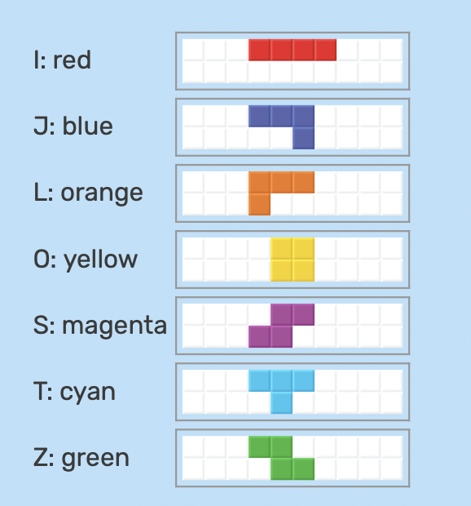

 |  |  |  |  |  |  |  |  |  |  |  |  |  |  |  |  |  |  |  |  |  |  |  |  |  |  |  |  | condition fulfilled; result = revert the Rotation |  |  |  |  |  |  |  |  |  |  |  |  |  |  |  |  |  |  |  |  |  |  |  |  |  |  |  |  |  |  |  |  | 6 | 7 |  |  |  |  | 7
 |  |  |  |  |  |  |  |  |  |  |  |  |  |  |  |  |  |  |  |  |  |  |  |  |  |  |  |  |  |  |  |  |  |  |  |  |  |  |  |  |  | -9 |  | -9 |  |  | -9 |  |  |  |  |  |  |  |  |  |  | 11 | 12 | 13 |  |  | 12 |  |  |  | 13 | 12
 |  |  |  |  |  |  |  |  |  |  |  |  |  |  |  |  |  |  |  |  |  |  |  |  |  |  |  |  |  |  |  |  |  |  |  |  |  | 0 | 1 | 2 | 0 | 1 | 0 | 1 | 2 |  | 1 | 2 |  |  |  |  |  |  |  |  |  | 16 |  |  |  |  | 17 |  | 16 | 17 | 18 | 17 | 18
 |  |  |  |  |  |  |  |  |  |  |  |  |  |  |  |  |  |  |  |  |  |  |  |  |  |  |  |  |  |  |  |  |  |  |  |  |  |  | 11 |  |  | 11 |  |  |  |  | 11
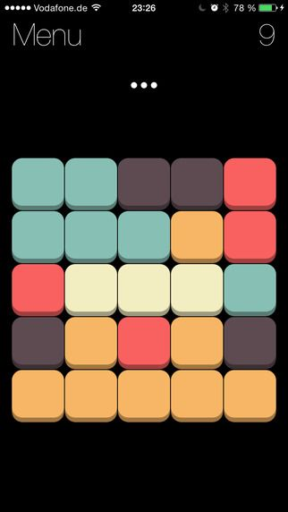
 |  |  |  |  |  |  |  |  |  |  |  |  |  |  |  |  |  |  |  |  |  | PUSH FROM EDGE
 |  |  |  |  |  |  |  |  |  |  |  |  |  |  |  |  |  |  |  |  |  | push from right |  |  |  |  |  |  |  |  |  |  |  | push from left
 |  |  |  |  |  |  |  |  |  |  |  |  |  |  |  |  |  |  |  |  |  |  | condition 1: touchRightEdge |  |  |  |  |  |  |  |  |  |  |  | condition 1: touchLeftEdge
 |  |  |  |  |  |  |  |  |  |  |  |  |  |  |  |  |  |  |  |  |  |  | condition 2: next rotation contain first column |  |  |  |  |  |  |  |  |  |  |  | condition 2: next rotation contain last column
 |  |  |  |  |  |  |  |  |  |  |  |  |  |  |  |  |  |  |  |  |  |  | condition 3: the left of rotated is clear |  |  |  |  |  |  |  |  |  |  |  | condition 3: rotated new position not contain fixed

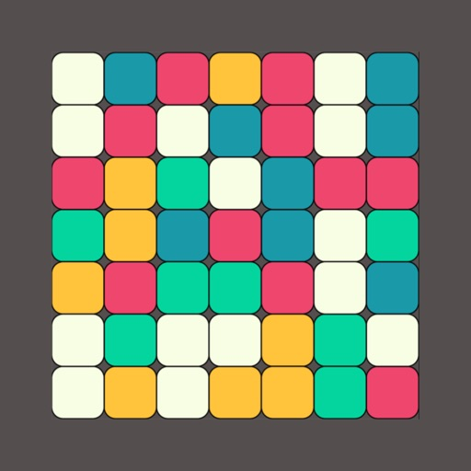
 |  |  |  |  |  |  |  |  |  |  |  |  |  |  |  |  |  |  |  |  |  |  | 3 to 0
 |  |  |  |  |  |  |  |  |  |  |  |  |  |  |  |  |  |  |  |  |  |  |  |  |  |  |  |  |  |  |  |  | is it possible if it is kicked, and not rotated at the same time?

 |  |  |  |  |  |  |  |  |  |  |  |  |  |  |  |  |  |  |  |  |  |  |  |  |  |  |  |  |  |  |  |  |  |  |  |  |  |  |  |  |  |  |  |  |  |  |  |  |  |  |  |  |  |  |  |  |  |  |  |  |  |  |  |  |  |  |  | Screenshot 2022-04-08 at 12.39.20 AM

 |  |  |  |  |  |  |  |  |  |  |  |  |  |  |  |  |  |  |  |  |  |  |  |  |  |  | 14
 |  |  |  |  |  |  |  |  |  |  |  |  |  |  |  |  |  |  |  |  |  |  |  |  | 25 | 26 | 24 | 25
 |  |  |  |  |  |  |  |  |  |  |  |  |  |  |  |  |  |  |  |  |  |  |  | 34 | 35 |  |  | 35

 |  |  |  |  |  |  |  |  |  |  |  |  |  |  |  |  |  |  |  |  |  |  |  |  |  |  |  |  |  |  |  |  | so the push only work for the eligible ones
 |  |  |  |  |  |  |  |  |  |  |  |  |  |  |  |  |  |  |  |  |  |  |  |  |  |  |  |  |  |  |  |  | the non-eligible ones (no space to be pushed) can still rotate
 |  |  |  |  |  |  |  |  |  |  |  |  |  |  |  |  |  |  |  |  |  |  |  |  |  |  |  |  |  |  |  |  | so needa make another check for those
 |  |  |  |  |  |  |  |  |  |  |  |  |  |  |  |  |  |  |  |  |  |  |  |  |  |  |  |  |  |  |  |  | but the !nospace here, make sure that the CP++ or CP-- wont be implemented, or they will affect further checks

 |  |  |  |  |  |  |  |  |  |  |  |  |  |  |  |  |  |  |  |  |  |  |  | 2 |  |  |  | 3 |  |  |  |  |  |  |  | condition 1: t-tet, rotation 2
 |  |  |  |  |  |  |  |  |  |  |  |  |  |  |  |  |  |  |  |  |  |  |  |  |  |  |  |  |  |  |  |  |  |  |  | condition 2: toBeDrawn contain base or fixed
 |  |  |  |  |  |  |  |  |  |  |  |  |  |  |  |  |  |  |  |  |  |  |  |  |  |  |  |  |  |  |  |  |  |  |  | condition 3: got space

 |  |  |  |  |  |  |  |  |  |  |  |  |  |  |  |  |  |  |  |  |  |  |  |  |  |  |  |  |  |  |  |  |  |  |  |  | push from edge | (condition: apply to CR 0 & 2 only)
 |  |  |  |  |  |  |  |  |  |  |  |  |  |  |  |  |  |  |  |  |  |  |  |  |  |  |  |  |  |  |  |  |  |  |  |  | 1. touchEdge
 |  |  |  |  |  |  |  |  |  |  |  |  |  |  |  |  |  |  |  |  |  |  |  |  |  |  |  |  |  |  |  |  |  |  |  |  | condition 1: touch edge
 |  |  |  |  |  |  |  |  |  |  |  |  |  |  |  |  |  |  |  |  |  |  |  |  |  |  |  |  |  |  |  |  |  |  |  |  | (no need): it will cross edge, cz touch edge will always cross edge when rotate
 |  |  |  |  |  |  |  |  |  |  |  |  |  |  |  |  |  |  |  |  |  |  |  |  |  |  |  |  |  |  |  |  |  |  |  |  | condition 2: rotated & pushed cnt contain fixed
 |  |  |  |  |  |  |  |  |  |  |  |  |  |  |  |  |  |  |  |  |  |  |  |  |  |  |  |  |  |  |  |  |  |  |  |  |  |  |  |  |  |  |  |  | this is important to avoid this
 |  |  |  |  |  |  |  |  |  |  |  |  |  |  |  |  |  |  |  |  |  |  |  |  |  |  |  |  |  |  |  |  |  |  |  |  | 2. No touch edge (apply for left only) |  |  |  |  | condition: in the 2nd column
 |  |  |  |  |  |  |  |  |  |  |  |  |  |  |  |  |  |  |  |  |  |  |  |  |  |  |  |  |  |  |  |  |  |  |  |  | condition 1: toBeDrawn contain % ==9 (not necesssary)
 |  |  |  |  |  |  |  |  |  |  |  |  |  |  |  |  |  |  |  |  |  |  |  |  |  |  |  |  |  |  |  |  |  |  |  |  | condition 2: rotated & pushed cnt contain fixed

 |  |  |  |  |  |  |  |  |  |  |  |  |  |  |  |  |  |  |  |  |  |  |  |  |  |  |  |  |  |  |  |  |  |  |  |  | push from fixed (left & right)

 |  |  |  |  |  |  |  |  |  |  |  |  |  |  |  |  |  |  |  |  |  |  |  |  |  |  |  |  |  |  |  |  |  |  |  |  | 2. with touch
 |  |  |  |  |  |  |  |  |  |  |  |  |  |  |  |  |  |  |  |  |  |  |  |  |  |  |  |  |  |  |  |  |  |  |  |  | condition 1: contain fixed on left
 |  |  |  |  |  |  |  |  |  |  |  |  |  |  |  |  |  |  |  |  |  |  |  |  |  |  |  |  |  |  |  |  |  |  |  |  | condtion 2: next contain fixed
 |  |  |  |  |  |  |  |  |  |  |  |  |  |  |  |  |  |  |  |  |  |  |  |  |  |  |  |  |  |  |  |  |  |  |  |  | condition 2: rotated & pushed cnt contain fixed

 |  |  |  |  |  |  |  |  |  |  |  |  |  |  |  |  |  |  |  |  |  |  |  |  |  |  |  |  |  |  |  |  |  |  |  |  | 1. no touch
 |  |  |  |  |  |  |  |  |  |  |  |  |  |  |  |  |  |  |  |  |  |  |  |  |  |  |  |  |  |  |  |  |  |  |  |  | condition 1: index - 2 contain fixed
 |  |  |  |  |  |  |  |  |  |  |  |  |  |  |  |  |  |  |  |  |  |  |  |  |  |  |  |  |  |  |  |  |  |  |  |  | condition 2: next contain fixed
 |  |  |  |  |  |  |  |  |  |  |  |  |  |  |  |  |  |  |  |  |  |  |  |  |  |  |  |  |  |  |  |  |  |  |  |  | condition 3: rotated & pushed cnt contain fixed

 |  |  |  |  |  |  |  |  |  |  |  |  |  |  |  |  |  |  |  |  |  |  |  |  |  |  |  |  |  |  |  |  |  |  |  |  | push from base
 |  |  |  |  |  |  |  |  |  |  |  |  |  |  |  |  |  |  |  |  |  |  |  |  |  |  |  |  |  |  |  |  |  |  |  |  | condition 1: touchBase
 |  |  |  |  |  |  |  |  |  |  |  |  |  |  |  |  |  |  |  |  |  |  |  |  |  |  |  |  |  |  |  |  |  |  |  |  | condition 2: rotated & pushed not contain fixed

 |  |  |  |  |  |  |  |  |  |  |  |  |  |  |  |  |  |  |  |  |  |  |  |  |  |  |  |  |  |  |  |  |  |  |  |  | push from fixed bottom
 |  |  |  |  |  |  |  |  |  |  |  |  |  |  |  |  |  |  |  |  |  |  |  |  |  |  |  |  |  |  |  |  |  |  |  |  | condition 1: some bottom contain fixed
 |  |  |  |  |  |  |  |  |  |  |  |  |  |  |  |  |  |  |  |  |  |  |  |  |  |  |  |  |  |  |  |  |  |  |  |  | condition 2: next contain fixed
 |  |  |  |  |  |  |  |  |  |  |  |  |  |  |  |  |  |  |  |  |  |  |  |  |  |  |  |  |  |  |  |  |  |  |  |  | condition 3: rotated & pushed not contain fixed

 |  |  |  |  |  |  |  |  |  |  |  |  |  |  |  |  |  |  |  |  |  |  |  |  |  |  |  |  |  |  |  |  |  |  |  |  | finalCheck
 |  |  |  |  |  |  |  |  |  |  |  |  |  |  |  |  |  |  |  |  |  |  |  |  |  |  |  |  |  |  |  |  |  |  |  |  | same with non-i-tet

 |  |  |  |  |  |  |  |  |  |  |  |  |  |  |  |  |  |  |  |  |  |  |  |  |  |  |  |  |  |  | -10
 |  |  |  |  |  |  |  |  |  |  |  |  |  |  |  |  |  |  |  |  |  |  |  |  |  |  |  |  |  |  | 0 | 1
 |  |  |  |  |  |  |  |  |  |  |  |  |  |  |  |  |  |  |  |  |  |  |  |  |  |  |  |  |  |  |  | 11

 |  |  |  |  |  |  |  |  |  |  |  |  |  |  |  |  |  |  |  |  |  |  |  |  |  |  |  |  |  |  |  |  |  |  |  |  |  |  |  |  |  |  |  |  |  |  | special con

